Context2 Leaderboard
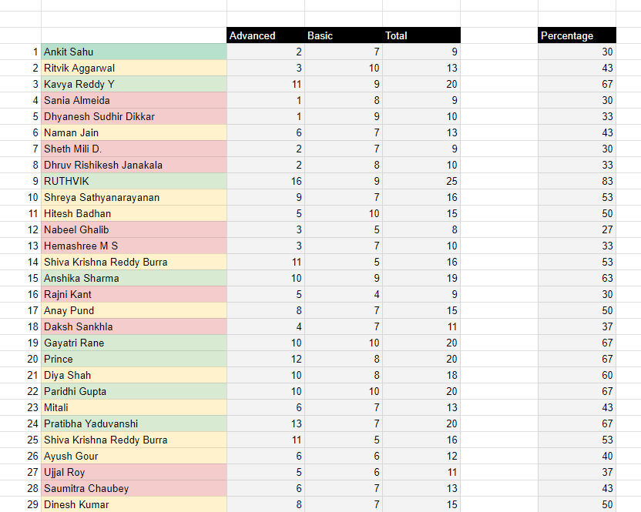

Gamification
1- A leaderboard gamifies the assessment experience- makes it a game
2- Students will want to improve themselves after seeing where they stand
3- Our goal is not to judge the students, but to nudge them to improve

Color coding
1- Color coding students into three categories helps students in visualizing the data
2- They can see if they are doing well or if there is a huge room for improvement
3- The color brings a hierarchy makes it easy to consume large data

Hierarchy
1- Too much of data can be overwhelming, so we nest it into categories and sub-categories
2- The scores are nested into green, yellow, red categories
3- There is a gap between percentage and other three cells, this gives percentage an importance

Ideas for improvement of this dashboard
1- Can you think of rank or percentile
2- Can you divide students into personas based on their answers, instead of scores. (Scores are judgmental). Students can also connect with other students of similar persona
3- Can you think of a small writeup feedback for each student based on their choices

Introduction
Position | DT Data Champion | Task1: Design a Dashboard
Required mindset | Deep-thinking, joy of learning | You are asked to design a leaderboard that summarizes
 |  | the results of a personality assessment
DT Areas of Work | Behavioral Intelligence, Execution, BizTech Acumen, Values driven decision making, Learnability
 |  | Task2: Implement the dashboard
 |  | You are asked to implement the dashboard that you designed
 |  | in Task1. You are given some formulae that can be used
 |  | to automate the dashboard, along with conditional formatting rules

 |  | Why these tasks
About DT Data Champion Role | Blend of business analytics, data science and data engineering. Solves real world problems, gets buyin of cross functional teams, takes ownership of the outcome | If you're hired as a Data Champion, you would be looking at a lot of real world problems, you'd have to design and implement solutions. Task1 evaluates your problem solving capabilities while Task2 evaluates your technical execution of the solution

 |  | If hired, what would you be taught
DeepTech Mindset | Ability to switch between abstract and concrete ideas, to spot core insights, to extrrapolate textual ideas to real world situations | You'd get to learn real world problem solving, working with large data sets using GSheets/Excel, Pandas, Machine Learning, LLM Training

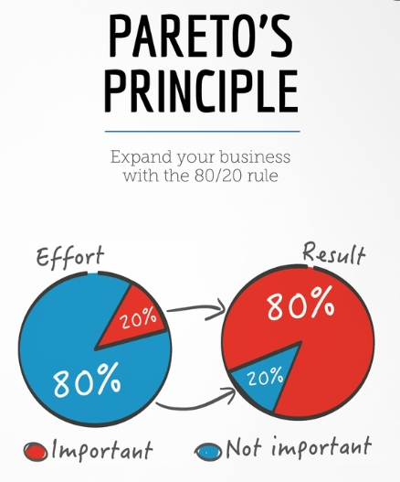

 |  | The tasks are quite easy, provided you follow the Pareto's law: spend 80% of the time reading and understanding, 20% time executing the task

Context3 Formulae
Lookup Formulae
1- You can use vlookup or xlookup to check each answer of the assessment | Sample Lookup formula
2- You can do a lookup of the key subsheet, to understand the marks that the option got | =XLOOKUP(C2, 'Key Advanced'!$E$6:$E$9,'Key Advanced'!$D$6:$D$9)'
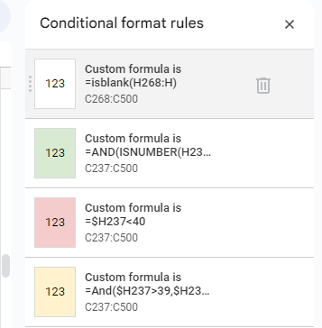
3- We have hardcoded a few sample marks in the DataSet1 and DataSet2

Conditional Formatting
1- You can use rules of conditional formatting to color the cells based on the marks
2- You can click on Format menu and choose conditional formatting from the menu
3- You can choose the range where the formula gets applied and a custom formula

Conditional Formatting functions
1- Isblank function returns true if the cell is empty, returns false if it is not empty
2- And function lets you check multiple criteria, while OR function lets pick from a range
3- Putting a dollar locks the column

Automating for each row
1- If you use array formula function, the formula gets copies to the next student automatically
2- You can use $ to lock a column or row.
3- Spreadsheets will automatically adjust the formula once you drag a formula down

Sample Array formula function
=ARRAYFORMULA(IF((P247:P="") + (Q247:Q="") + (R247:R="") + (S247:S="") + (T247:T="") + (U247:U="") + (V247:V="") + (W247:W="") + (X247:X="") + (Y247:Y=""), "", P247:P + Q247:Q + R247:R + S247:S + T247:T + U247:U + V247:V + W247:W + X247:X'

Formula Bucket
=ARRAYFORMULA(IF((P247:P="") + (Q247:Q="") + (R247:R="") + (S247:S="") + (T247:T="") + (U247:U="") + (V247:V="") + (W247:W="") + (X247:X="") + (Y247:Y=""), "", P247:P + Q247:Q + R247:R + S247:S + T247:T + U247:U + V247:V + W247:W + X247:X ))'
=arrayformula(iferror(XLOOKUP(C247:C, 'Key Advanced'!$E$6:$E$9,'Key Advanced'!$D$6:$D$9),""))'
=ARRAYFORMULA(iferror(XLOOKUP(C5:C, 'Advanced Screening'!M:M, 'Advanced Screening'!O:O),"")'
=ARRAYFORMULA(IF((D5:D<>"") + (E5:E<>"") > 0, IFERROR(D5:D + E5:E, ""), ""))'
=ARRAYFORMULA(IF(F5:F<>"", F5:F/30*100, "")) '

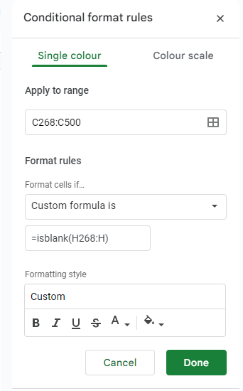

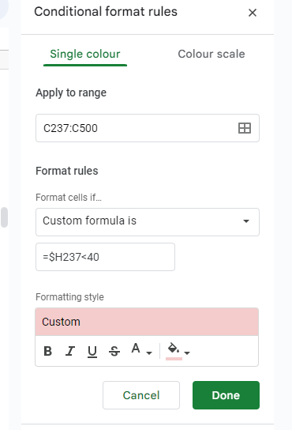

=AND(ISNUMBER(H237), H237>59)'

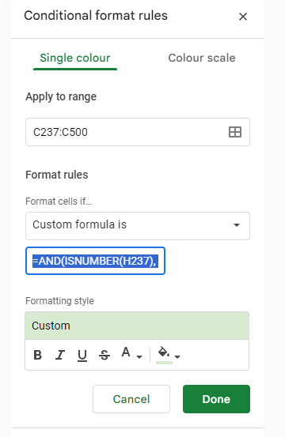

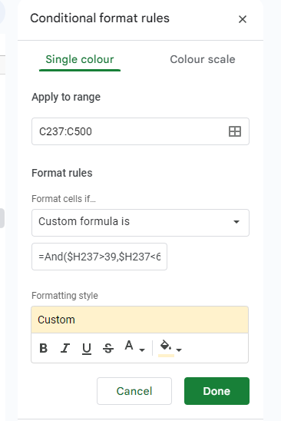

=And($H237>39,$H237<60)'

